GridSearch
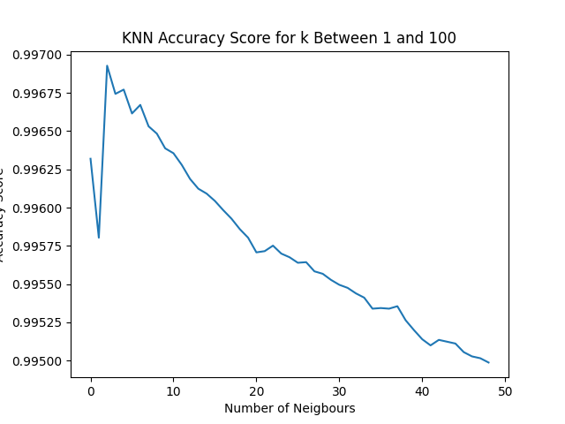
Data location included closed door to the left hand side and open door beside the loaction where the object was placed
Data location was just a plain hallway, no other doors etc

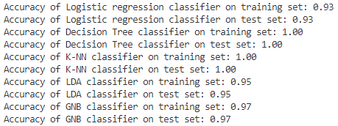
Model Name | Display Stand |  | Closed Door |  | Storage Box |  | Large Bin |  | Display Stand
 | Train | Test | Train | Test | Train | Test | Train | Test | Train | Test
Logistic Regression Classifier | 80 | 80 | 99 | 99 | 97 | 97 | 96 | 96 | 93 | 93
Decision Tree Classifier | 100 | 100 | 100 | 100 | 100 | 100 | 100 | 100 | 100 | 100
K-NN Classifier | 100 | 100 | 100 | 100 | 100 | 100 | 100 | 100 | 100 | 100
Linear Discriminant Analysis | 66 | 65 | 97 | 97 | 96 | 96 | 95 | 95 | 95 | 95
Gaussian Naïve Bayes | 91 | 91 | 100 | 100 | 99 | 99 | 99 | 100 | 97 | 97
SVM | 97 | 97 | 100 | 100

